literature
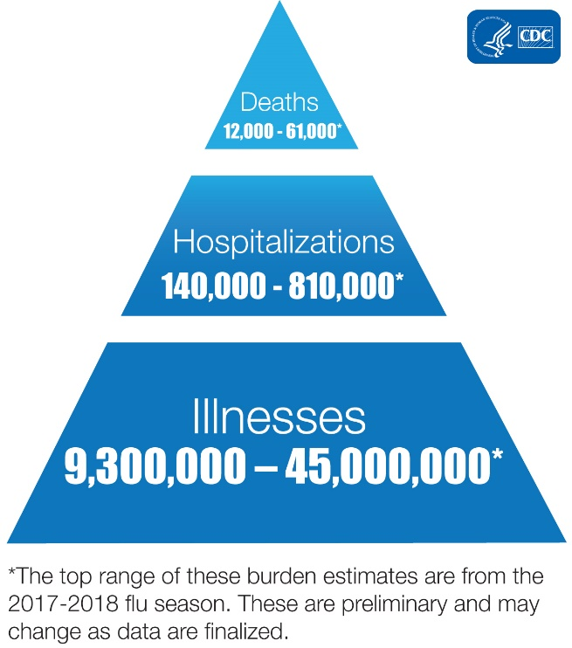
https://www.baldingsworld.com/2020/03/29/how-fast-is-corona-spreading-and-how-many-undetected-cases-are-there/?fbclid=IwAR3eIpnPl4VhV3ypLNHVKdM002fz27uq1wz27gMeU7qgY3a2_eT3QOQutPw
https://www.haaretz.com/israel-news/.premium.MAGAZINE-israeli-expert-trump-is-right-about-covid-19-who-is-wrong-1.8691031?v=CDBFACA5662E8174BA824BAD929EA12B&fbclid=IwAR1nOI7rVKvnhQf0mLisfXK1FaMfum-HUhq3PEqQh5I9souIfrLxiMBHT40
https://www.telegraph.co.uk/global-health/science-and-disease/everyone-wants-coronavirus-data-should-treat-numbers-caution/?fbclid=IwAR0SgAeQgt7HzuY3fjhKmYREOeQp_JagCm1sTu6XGXCRDQJ90iWrHhs5Mo4
https://www.nbcnewyork.com/news/local/as-nyc-nears-1000-covid-19-deaths-how-does-it-compare-to-typical-flu-seasons/2352180/
https://www.nationalreview.com/2020/03/coronavirus-fatality-rate-computing-difficult/#slide-1
https://www.nationalreview.com/2020/03/coronavirus-pandemic-doctors-take-serious-disease-shutdown-approach-may-be-imperfect/#slide-1
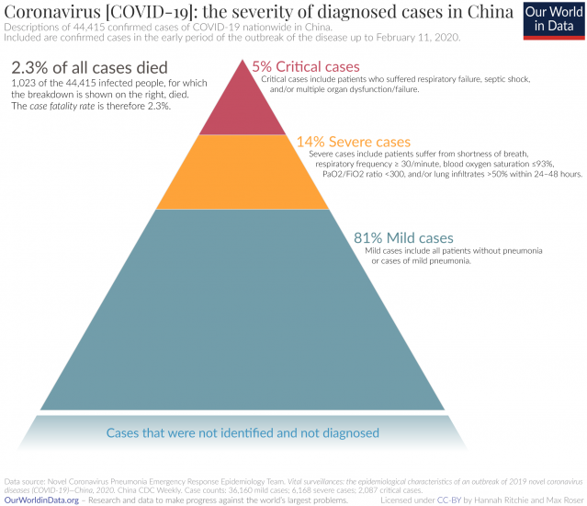
https://www.sciencedirect.com/science/article/pii/S1201971219303285#bib0025
https://pubmed.ncbi.nlm.nih.gov/32133832/?fbclid=IwAR3LHLplRtmPZED3jt_Hjf2ZKysmDcXMU5LgVgNPcqNAtb9EzcQBKMtCIoI
https://jamanetwork.com/journals/jama/fullarticle/2762997
https://www.scientificamerican.com/article/heres-how-coronavirus-tests-work-and-who-offers-them/
https://www.sciencedirect.com/science/article/pii/S0264410X19306656?via%3Dihub
https://www.vox.com/future-perfect/2020/3/12/21172040/coronavirus-covid-19-virus-charts
https://www.cdc.gov/flu/about/burden/index.html
https://www.cdc.gov/flu/about/burden/past-seasons.html
https://www.cdc.gov/flu/weekly/#S2
https://www.ncbi.nlm.nih.gov/pmc/articles/PMC5198166/
https://www.ncbi.nlm.nih.gov/pmc/articles/PMC4747626/
https://www.ncbi.nlm.nih.gov/pmc/articles/PMC3291411/
https://nciph.sph.unc.edu/focus/vol1/issue5/1-5EpiCurves_issue.pdf
https://www.ncbi.nlm.nih.gov/pmc/articles/PMC6509961/
https://www.livescience.com/new-coronavirus-compare-with-flu.html | Time to symptoms | Symptom onset to admission | Symptoms to admission
https://www.medrxiv.org/content/10.1101/2020.03.09.20033118v1 | 5 | 8.5 | 13.5
https://www.liebertpub.com/doi/pdfplus/10.1089/bsp.2009.0729
https://www.cdc.gov/flu/weekly/overview.htm
https://www.cdc.gov/flu/weekly/overview.htm |  |  |  |  |  | COMPARE HOSPITALIZATION RATES BY AGE FOR FLU AND COVID
https://www.cdc.gov/flu/about/burden-averted/2017-2018.htm |  |  |  | 36.5 | 0.1% | COMPARE DEATH COUNTS AND TIMING
 |  |  |  | 475 | 1.7%
https://www.bbc.com/future/article/20200401-coronavirus-why-death-and-mortality-rates-differ |  |  |  | 27150
https://www.cdc.gov/mmwr/volumes/69/wr/mm6912e2.htm#T1_down
https://www.cdc.gov/flu/about/burden/2017-2018.htm
https://www.vox.com/science-and-health/2020/4/2/21197617/coronavirus-pandemic-covid-19-death-rate-transmission-risk-factors-lockdowns-social-distancing
https://www.nytimes.com/article/coronavirus-vs-flu.html
https://www.npr.org/sections/goatsandsoda/2020/03/20/815408287/how-the-novel-coronavirus-and-the-flu-are-alike-and-different
https://www.businessinsider.com/coronavirus-compared-seasonal-flu-in-the-us-death-rates-2020-3
CDC FLU SEASONS

Influenza surveillance data collection is based on a reporting week that starts on Sunday and ends on the following Saturday. Each surveillance participant is requested to summarize weekly data and submit it to CDC by Tuesday afternoon of the following week. The data are then downloaded, compiled, and analyzed at CDC. FluView and FluView Interactive are updated weekly each Friday.
For CDC/Influenza Division influenza surveillance purposes, the reporting period for each influenza season begins during Morbidity and Mortality Weekly Report (MMWR) week 40 and ends week 39 of the following year. MMWR weeks pdf icon[65 KB, 2 Pages]refer to the sequential numbering of weeks (Sunday through Saturday) during a calendar year. This means that the exact start of the influenza reporting period varies slightly from season to season. The 2019-2020 influenza season began on September 29, 2019 and will end on September 26, 2020.

“Flu season” — as determined by elevated flu activity – also varies from season to season. During most seasons, activity begins to increase in October, most often peaks between December and February and can remain elevated into May. The flu season is said to have started after consecutive weeks of elevated flu activity is registered in the various CDC influenza surveillance systems.

Rosano et. Al.
The present study aims to investigate the two mortality peaks observed in Italy during 2015 and 2017, using the following data: a) census mortality data from all causes from 2013 to 2017; b) seasonal influenza like-illness surveillance data from 2013/14 to 2016/17 (week 42 to week 17); c) virological surveillance data from 2013/14 to 2016/17 (week 42 to week 17)

https://www.nytimes.com/2020/04/05/us/coronavirus-deaths-undercount.html?referringSource=articleShare
https://www.nationalreview.com/2020/04/coronavirus-response-sweden-avoids-isolation-economic-ruin/

https://arxiv.org/pdf/2003.00122.pdf
lockdown - social distancing effects -- 70% r0 reduction
https://www.reuters.com/article/us-health-coronavirus-britain-spread/preliminary-study-finds-uk-lockdown-is-slowing-spread-of-covid-19-idUSKBN21J56W
https://www.ncbi.nlm.nih.gov/pubmed/32202261

https://www.medrxiv.org/content/10.1101/2020.04.02.20051466v1.full.pdf

https://reason.com/2020/04/09/preliminary-german-study-shows-a-covid-19-infection-fatality-rate-of-about-0-4-percent/

notes
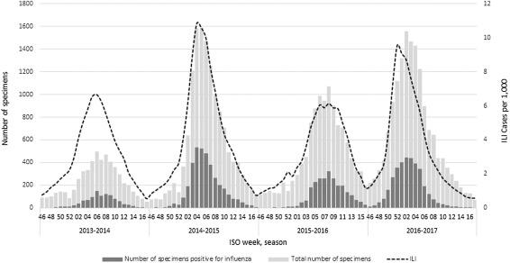
Per 100k |  |  |  |  |  |  |  |  |  | 0.15%
Season | Proportion of circulating influenza viruses | Vaccine match with circulating viruses | 0–4 years |  | 5–14 years |  | 15–64 years |  | Aged 65+ |  | Total
 |  |  | N. | Rate | N. | Rate | N. | Rate | N. | Rate | N. | Rate
 |  |  | 95% CI | 95% CI | 95% CI | 95% CI | 95% CI | 95% CI | 95% CI | 95% CI | 95% CI | 95% CI
2013/14 | A: 97% (H3: 58%; H1: 35%; Ans: 7%) | Good match | 10 | 0.37 | 21 | 0.36 | 831 | 2.11 | 8460 | 65.01 | 7027 | 11.56 | 0.07%
 | B: 3% (Yamagata: 95%; Victoria: 3%) |  | 3–20 | 0.1–0.7 | 11–32 | 0.2–0.5 | 406–963 | 1.8–2.4 | 7183–9803 | 55.2–75.3 | 5785–8347 | 9.5–13.7
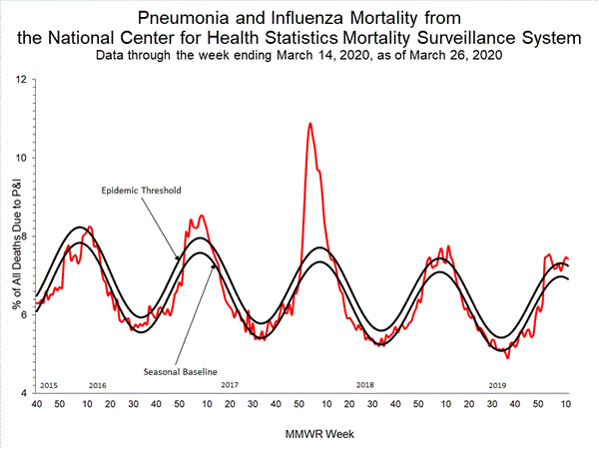
2014/15 | A: 84% (H3: 41%; H1: 52%; Ans: 7%) | A(H3N2) mismatch | 28 | 1.05 | 5 | 0·08 | 1364 | 3.48 | 19475 | 147.32 | 20259 | 33.32 | 0.15%
 | B: 16% (Yamagata: 97%; Victoria: 3%) |  | 19–39 | 0.7–1.5 | 3–8 | 0.0–0.1 | 1138–1602 | 2.9–4.1 | 16542–22567 | 125.1–170.7 | 18506–22064 | 30.4–36.3
2015/16 | A: 43% (H3: 56%; H1: 35%; Ans: 9%) | A(H3N2) mismatch | 0 | 0 | 15 | 0.27 | 977 | 2.5 | 10270 | 76.81 | 15801 | 26.05 | 0.08%
 | B: 57% (Yamagata: 5%; Victoria: 95%) |  | 0–4 | 0.0–0.1 | 8–23 | 0.1–0.4 | 815–1148 | 2.1–2.9 | 8723–11900 | 65.2–89.0 | 14434–17293 | 23.8–28.4
2016/17 | A: 95% (H3: 93%; H1: 1%; Ans: 6%) | Match with some aminoacidic substitution for the A(H3N2) component | 38 | 1.54 | 13 | 0.23 | 675 | 1.74 | 19404 | 143.43 | 24981 | 41.23 | 0.14%
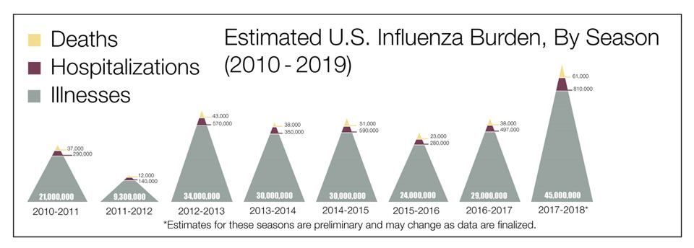
 | B 5% (Yamagata: 4%; Victoria: 96%) |  | 26–53 | 1.0–2.1 | 7–20 | 0.1–0.4 | 563–793 | 1.4–2.0 | 17599–21267 | 130.1–157.7 | 23001–27014 | 38.0–44.6

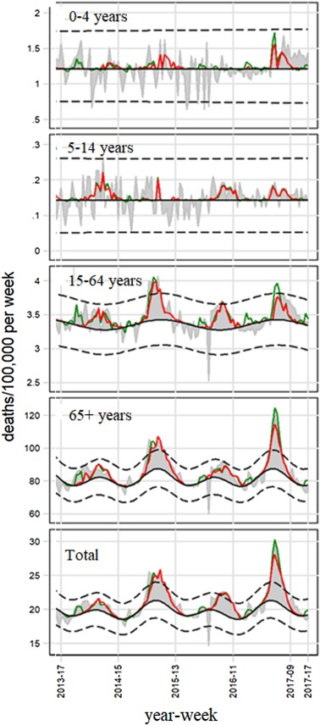

 |  |  |  |  | Influenza burden, millions | 2010 | 2011 | 2012 | 2013 | 2014 | 2015 | 2016 | 2017 | Average
 |  |  |  |  | Deaths | 0.037 | 0.012 | 0.043 | 0.038 | 0.051 | 0.023 | 0.038 | 0.061 | 0.037875
 |  |  |  |  | Hospitalized | 0.29 | 0.14 | 0.57 | 0.35 | 0.59 | 0.28 | 0.497 | 0.81 | 0.44
 |  |  |  |  | Illnesses | 21 | 9.3 | 34 | 30 | 30 | 24 | 29 | 45 | 27.79

 |  |  |  |  | % Hospitalized | 1% | 2% | 2% | 1% | 2% | 1% | 2% | 2% | 2%

 |  |  |  |  | Covid % hospitalized |  |  |  |  |  |  |  |  | 19%

 |  |  |  |  | Ratio |  |  |  |  |  |  |  |  | 11.98

